Sheet1
 |  | Document No. |  | Issue No. |  | Issue Date |  |  | Review and Replace Date |  |  | Authorised By
 |  | GFF177MC |  | 1 |  | 11.06.2020 |  |  | New Issue |  |  | Magda Shah
 |  | Document Title | CHICKPEA TAGINE WITH TRICOLOUR QUINOA 450g
Document amendments reason for change |  | New product launch |  |  | Page 1 of 1 |  | Previous Issue Date |  |  | New Issue |  | Uncontrolled copy unless signed original

FVHTBQ-R8TMC | MINDFUL CHEF |  |  | CHICKPEA TAGINE WITH TRICOLOUR QUINOA 450g | FROZEN
STEP 1 |  |  |  | STEP 2 |  |  |  |  |  |  | STEP 3
 |  |  |  | 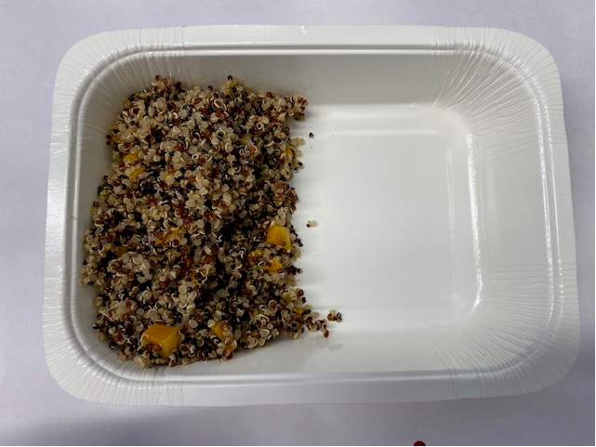 |  |  |  |  |  |  | 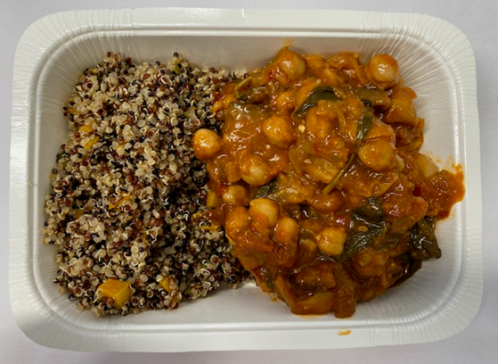

Tray: WHITE OVENABLE BOARD TRAY (PKSOU002-01)
HAND SEALER: Mylar 25OLAF 145mm x 500 (PKWRA001-07) |  |  |  | BUTTERNUT SQUASH QUINOA (GFF306R): 110g |  |  |  |  |  |  | HARISSA CHICKPEA TAGINE SAUCE (GFF305R) 300g
LINE 1: Mylar 250LAF 250mm x 1000 (PKWRA001-08)
LINE 1: K-Peel 75G + AF 25 250mm (PKKMP001-01)
STEP 4 |  |  |  |  |  |  |  | STEP 5
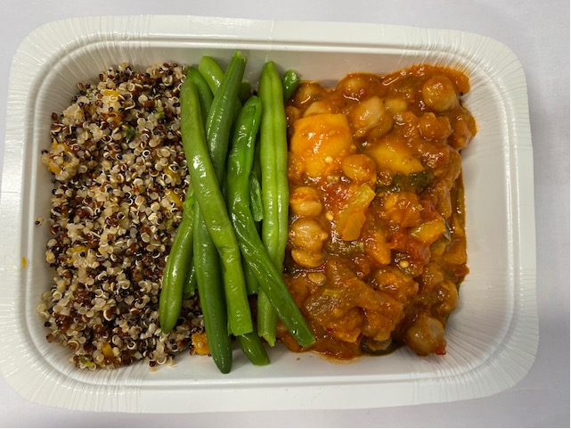 |  |  |  |  |  |  |  | 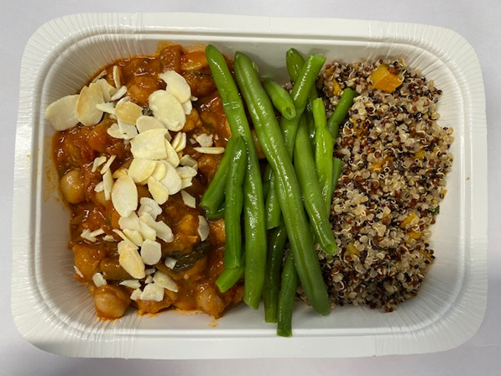

PACK DATE + 1 YEAR

STEAMED GREEN BEANS (GFF294R) 35g |  |  |  |  |  |  |  | ROASTED ALMONDS FLAKES (RMKLU001-06) 5g |  |  |  |  | TOTAL WEIGHT: 450g

ALLERGY ALERT: NUTS

